Version(221018)
Casting 鑄物
Prototype
Machining 加工品
 |  |  |  |  | All Dimension Inspection Report 檢查基準書兼成績書
Mass production
 | Information |  | Customer |  | Supplier |  |  | Customer 客戶 |  | Judged 判定 |  | Approved 承認 | Checked by 確認
 | Name |  | BW |  | Vulcan
 | Part Name 品名 |  | Turbine housing assembly |  | Turbine housing assembly
 | Part No 品番 |  | - |  | A2109023
 | Drawing number |  | ET60S400007 |  | ET60S400007
 | Drawing version |  | (221018) |  | Assembly_Drw.ver.(221018)_Circle num.ver.04

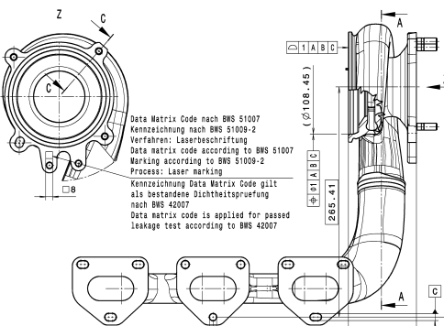
 | Drawing 圖面 ~ Image 照片 |  |  |  |  |  |  |  |  | NA | Không áp dụng/ Not applicable
 |  |  |  |  |  |  |  |  |  | ∆ | Đang thảo luận/ In Discusion
 |  |  |  |  |  |  |  |  |  | Mặt đo lường/ Measured surface
 |  |  |  |  |  |  |  |  |  | □ | Gia công đến gia công/ Machining to machining
 |  |  |  |  |  |  |  |  |  | ○ | Phôi đến gia công/ casting to machining
 |  |  |  |  |  |  |  |  |  | ● | Phôi đến phôi/ casting to casting
 |  |  |  |  |  |  |  |  |  | Phân loại đặc tính/ Classified Char.
 |  |  |  |  |  |  |  |  |  | Ο | OTC: Đặc tính dung sai khác/ Other Toleranced Characteristics
 |  |  |  |  |  |  |  |  |  |  | Special characteristic wich have to be considered in FMEA and process planning
 |  |  |  |  |  |  |  |  |  |  | Special characteristic for capabilitystudies

 |  | Characteristic | Symbol on drawing | Nominal | Lower tol | Upper tol
 |  |  |  |  |  |  |  |  | Purpose
2 | 1 | Profile of a surface Biên dạng mặt |  | 1.000 | -1.000 | 0.000 | mm |  | CMM Máy đo 3D |  |  |  |  | OK
3 | 2 | Position Vị trí |  | 1.000 | -1.000 | 0.000 | mm |  | CMM Máy đo 3D |  |  |  |  | OK
5 | 3 | Length Chiều dài | Basic dimesion Kích thước cơ bản | 265.410 | -0.500 | 0.500 | mm |  | CMM Máy đo 3D |  |  |  |  | NG
1 | 4 | Length Chiều dài | Basic dimesion Kích thước cơ bản | 156.140 | -0.500 | 0.500 | mm |  | CMM Máy đo 3D |  |  |  |  | NG
4 | 5 | Angle Góc | Specified tolerance Dung sai cụ thể | 90.000 | -0.250 | 0.250 | Degree |  | CMM Máy đo 3D |  |  |  |  | NG
6 | 6 | Length Chiều dài | Basic dimesion Kích thước cơ bản | 135.330 | -0.500 | 0.500 | mm |  | CMM Máy đo 3D |  |  |  |  | NG
7 | 7 | Width Bề rộng mối hàn | Specified tolerance Dung sai cụ thể | 3.000 | 0.000 | 0.800 | mm |  |  |  |  |  |  | NG
12 | 8-1 |  |  |  |  |  |  |  |  |  |  |  |  | OK
13 | 8-2 |  |  |  |  |  |  |  |  |  |  |  |  | OK
14 | 8-3 |  |  |  |  |  |  |  |  |  |  |  |  | OK
9 | 9-1 | Height Chiều cao | Specified tolerance Dung sai cụ thể | 24.000 | -1.800 | 1.800 | mm |  | Caliper Thước kẹp |  |  |  |  | NG
10 | 9-2 | Height Chiều cao | Specified tolerance Dung sai cụ thể | 24.000 | -1.800 | 1.800 | mm |  | Caliper Thước kẹp |  |  |  |  | NG
11 | 9-3 | Height Chiều cao | Specified tolerance Dung sai cụ thể | 24.000 | -1.800 | 1.800 | mm |  | Caliper Thước kẹp |  |  |  |  | NG
15 | 10 | Angle Góc | Specified tolerance Dung sai cụ thể | 90.000 | -0.250 | 0.250 | Degree |  | CMM Máy đo 3D |  |  |  |  | NG
8 | 11 | Depth Độ sâu |  | 3.000 | -1.000 | 0.000 | mm |  | Caliper Thước kẹp |  |  |  |  | NG
16 | 12 | Cleanliness Độ sạch | According to BWS 42001 |  |  |  |  |  | Cleanliness machine Máy độ sạch |  |  |  |  | OK
17 | 13 | Leak tighness Kín khí | According to BWS 42007 |  |  |  |  |  | Leak tighness machine Máy kín khí |  |  |  |  | OK
18 | 14 | Material Vật liệu |  |  |  |  |  |  | Spectrometer Máy quang phổ |  |  |  |  | OK

